IPI DRB Minutes
 |  | IBIDEN PHILIPPINES, INC. |  |  |  |  |  |  |  |  |  |  |  |  |  |  |  |  |  | DRB/MRB No. : |  | D-SAP-20-01-001
 |  | DRB/MRB REPORT MINUTES |  |  |  |  |  |  |  |  |  |  |  |  |  |  |  |  |  | RFC No. : |  | 43-0120-0010

Theme: |  |  | SNR 3-2 long down time due to camera drive unit abnormal
Meeting Date : |  |  | 03-Jan-20 |  |  |  |  |  |  |  |  |  |  |  | Originated by : |  |  |  |  | Art Gerardo Jr / SAP
Meeting Time: |  |  | Start: 1030H |  | End: 1130H |  |  |  |  |  |  |  |  |  |  |  |  |  |  | Name /Block
Meeting Place: |  |  | SAP DRB Area |  |  |  |  |  |  |  |  |  |  |  | Approved by : |  |  |  |  | Orlando Espocia
Chairman: |  |  | Orly Espocia |  |  |  |  |  |  |  |  |  |  |  |  |  |  |  | Originator ASM/SM/DGM/GM
Block: |  |  | SAP Block
Attendees : |  |  | Manufacturing |  |  | Engineering/NPD |  |  | Facilities/EE |  |  |  |  | QA/QC |  |  |  |  | PPIC/CSE |  |  |  | Other
 |  |  | Art,S'Orly,S'Sapy |  |  | S'Joey,S'Jp,S'Ed |  |  | S'Mike |  |  |  |  | M'Glo,M'Cha,M'Rich |  |  |  |  | S'woody,M'Connie
 |  |  |  |  |  | S'Nyel,
 |  | Jan 04,2020 | Art,Kanatani_san |  |  | S'Jp |  |  | S'Kyle |  |  |  |  | S'Ferdz |  |  |  |  | S'Woody

 |  | Jan 07,2020 | Art , Kanatani |  |  | S'Jp,S'Ed'M'Karey |  |  |  | S'Randy,M'hanna |  |  |  |  | s'ferdz

<1>PROBLEM STATEMENT : (Put another sheet if multiple lots was discovered affected)
DEFECT ISSUE: |  |  | SNR 3-2 long down time due to camera drive unit abnormal |  | # | PRODUCT/MODEL AFFECTED |  |  | PRODUCT FAMILY |  |  | LEDGER NO. |  | PRODUCT SIZE |  | LOT NUMBER |  |  | AFFECTEDLAYER |  | AFFECTED PANEL |  | AFFECTED UNIT OR IF PERCENTAGE
DATE/TIME OCCURRED: |  |  | Dec-29-19 |  | 1 | N/A |  |  |  |  |  |  |  |  |  | XXXXXXXX
PROCESS DETECTED: |  |  | SNR |  | 2
PROCESS AFFECTED: |  |  | SNR |  | 3
# OF AFFECTED LOTS : |  |  | 1 |  | 4
WHO DETECTED: |  |  |  |  | 5
 |  |  |  |  | 6
 |  |  |  |  | 7
 |  |  |  |  | 8
 |  |  |  |  | 9
 |  |  |  |  | 10
 |  |  |  |  | 11
 |  |  |  |  | 12
 |  |  |  |  | 13
 |  |  |  |  | 14
 |  |  |  |  | 15
 |  |  |  |  | 16
 |  |  |  |  | 17
 |  |  |  |  | 18
 |  |  |  |  | 19
 |  |  |  |  | 20
 |  |  |  |  | 21
 |  |  |  |  | 22
 |  |  |  |  | 23
 |  |  |  |  | 24
 |  |  |  |  | 25
 |  |  |  |  | 26
 |  |  |  |  | 27
 |  |  |  |  | 28
 |  |  |  |  | 29
 |  |  |  |  | 30
WHAT IS THE PROBLEM DIFFERENCE FROM NORMAL TO ABNORMAL SITUATION? CHANGING POINT? DISCUSS THE FLOW. (Indicate 5W and 1H)

 |  | What: ALIGNMENT ERROR
 |  | Where: SNR 3-2
 |  | When: DEC 29,2019
 |  | Why: CAMERA CANNOT MOVE
 |  | Who: SnR SO
 |  | How:DUE TO BROKEN BALL SCREW BEARING
PROBLEM CATEGORY |  |  | MAN |  | MACHINE |  |  | METHOD |  |  | MATERIAL |  |  | MEASUREMENT |  |  |  | ENVIRONMENT |  |  |  | OTHERS
DRB CLOSING RANK |  |  | RANK 1 |  | RANK 2 |  |  | RANK 3 |  |  | RANK 4 |  |  | RANK 5 |  |  |  | OTHERS

<2> INVESTIGATION/IDENTIFICATION OF AFFECTED AREA, SITUATION (Define the phenomenon, mode and tendency occurrence,Etc.)
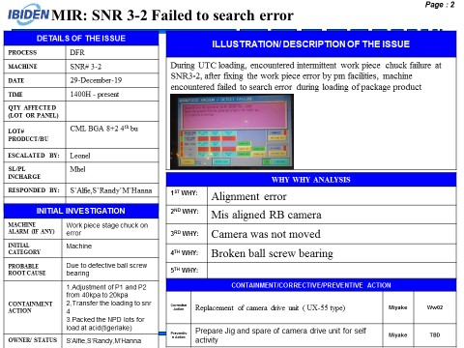
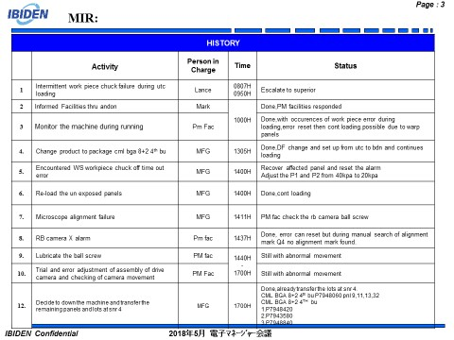
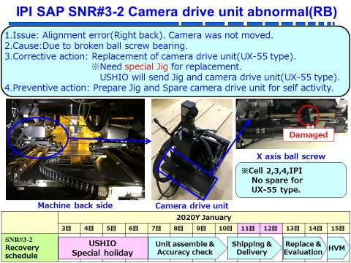

<3> CONTAINMENT ACTION (Note: Do not disable the interlock system when doing the action) |  |  |  |  |  |  |  |  |  |  |  |  |  |  |  | Responsible |  |  | Completion Date |  |  | Status
 |  |  |  |  |  |  |  |  |  |  |  |  |  |  |  | Name / Block
1.Transfer the loading at snr 4 |  |  |  |  |  |  |  |  |  |  |  |  |  |  |  | Art-MFG |  |  | Ww01. |  |  | Done,3lots transfer to snr 4
2.Stop the machine |  |  |  |  |  |  |  |  |  |  |  |  |  |  |  | All |  |  | Ww01. |  |  | Done,machine stop
<4> DISPOSITION OF AFFECTED LOT AND RISK ASSESSMENT

Assessment Item (# of sample/Method) |  |  |  | Responsible Name / Block |  |  | Completion Date |  |  | Assessment Result (No Good/TTL QTY) |  |  |  |  |  | Judgment (OK/NG) |  |  | Final Disposition

 |  |  |  |  |  |  |  |  |  |  |  |  |  |  |  |  |  |  |  | Proceed |  | Qty : ______________________________
 |  |  |  |  |  |  |  |  |  |  |  |  |  |  |  |  |  |  |  | Piece Out |  | Qty : _______ Pnl #: ________________
 |  |  |  |  |  |  |  |  |  |  |  |  |  |  |  |  |  |  |  | Sheet Out |  | Qty : ______________________________
 |  |  |  |  |  |  |  |  |  |  |  |  |  |  |  |  |  |  |  | Lot Out |  | Qty : ______________________________
 |  |  |  |  |  |  |  |  |  |  |  |  |  |  |  |  |  |  |  | SDR
Risk Assessment Category |  |  |  |  |  |  |  |  |  |  | Remarks
 |  | Low |  | Medium |  |  |  | High |  |  | ________________________

<5>ACTION REQUIRED (Note: Do not disable the interlock system when doing the action)

Action Request |  |  |  |  |  |  |  |  |  | Responsible Name / Block |  |  |  |  |  | Completion Date |  |  | Detail Results
January 02,2020
1.Confirm the arrival of maker and special jig,if possible expedite |  |  |  |  |  |  |  |  |  | S'Miyake_san/S'Mike |  |  |  |  |  | Ww01.4 |  |  | Jan 05,2020 Manila,Jan 06,2020 IPI.no special jig
2.Recipe generation for tigerlake H row and Jasperlake at snr 4 |  |  |  |  |  |  |  |  |  | S'Jp |  |  |  |  |  | Ww01.4 |  |  | Done,already with recipe both but need to conduct test panel for tigerlake H row
3.Expedite the snr 4 qualification |  |  |  |  |  |  |  |  |  | S'Jp |  |  |  |  |  | Ww01.4 |  |  | Done machine endorse for HVM around 1600H
4.Consider the ball screw maintenance |  |  |  |  |  |  |  |  |  | S'Mike |  |  |  |  |  | TBD
5.Recipe of snr 3 transfer to snr 4(send list to eng'g team) |  |  |  |  |  |  |  |  |  | S'Jp/Art |  |  |  |  |  | Ww01.5 |  |  | Done only tigerlake H row and jasperlake
6.Cross loading of tigerlake H row and jasperlake to snr 4 |  |  |  |  |  |  |  |  |  | S'Zander / Art |  |  |  |  |  | Upon uptime of snr 4 |  |  | No crossloading from acid 8 to snr 4
7.SnR 4 qualification for 0.60 at lamination machine for GX31 |  |  |  |  |  |  |  |  |  | S'Jp |  |  |  |  |  | Ww02.1 |  |  | Done,already loaded 10panels,waiting for npd approval
January 04,2020
1.Maker activity from 0900H to 1900H |  |  |  |  |  |  |  |  |  | Kimura-Maker |  |  |  |  |  | Ww02.1 |  |  | Done,maker activities is advance,1730H endorse to mfg 1800H start eng'g qualification
2.Eng'g manpower during night shift for qualification |  |  |  |  |  |  |  |  |  | S'Jp |  |  |  |  |  | Ww02.1 |  |  | Done,S'Rusty and M'Karey / 24hrs support
3.Working permit for ushio maker |  |  |  |  |  |  |  |  |  | S'Kyle |  |  |  |  |  | Ww01.6 |  |  | Done,already approved of esh and no concern
4.Resume loading of UTC at QET and water wash |  |  |  |  |  |  |  |  |  | S'Orly / S'Jerry |  |  |  |  |  | Ww02 |  |  | Done,resumed loading
5.Endorse to eng'g sus team the adjustment of manual alignment of focus adjustment and generate procedure |  |  |  |  |  |  |  |  |  | S'Jp |  |  |  |  |  | Ww01.6 |  |  | Done,already endorsed to eng'g sus team
6.No PM on jan 09,2020 for snr 3 and devt 3 for recovery only |  |  |  |  |  |  |  |  |  | Art-Mfg / Kyle-PM fac |  |  |  |  |  | Ww02.4 |  |  | Dumping of chemicals only
7.Discuss Maker activity report |  |  |  |  |  |  |  |  |  | S'Mike |  |  |  |  |  | Ww02.3 |  |  | Done,repeatability result is within specs ,target is max-min <1.7um (see attached file)
8.Eng'g qualification result |  |  |  |  |  |  |  |  |  | S'Jp |  |  |  |  |  | Ww02.3 |  |  | Done,DF alignment width result is comparable to POR
January 07,2020
1.Provide WI for camera drive unit replacement |  |  |  |  |  |  |  |  |  | S'Randy / M'Hanna |  |  |  |  |  | Ww03.5
2.Confirm IBI preventive action |  |  |  |  |  |  |  |  |  | Miyake_san |  |  |  |  |  | Ww03.5

<6> ROOTCAUSE GENERATION/ANALYSIS <WHY ANALYSIS by 5M1E, DESIGN AND CAPABILITY>

 | 1. FACTOR GAP ANALYSIS
 | Problem/Issue |  | Gap Type |  | 1st why |  |  |  | 2nd why |  |  |  |  |  | 3rd why |  |  |  |  |  | 4th why |  |  | 5th why
 | RB Camera X movement Timeout |  | Technical |  | Camera for X axis not able to move |  |  |  | Broken ball screw bearing

 |  |  | Systemic
 |  |  | Detection
 | 2. FINAL ROOT CAUSE and MECHANISM OF AFFECTED ISSUE

<7> CORRECTIVE ACTION |  |  |  |  |  |  |  |  |  |  |  |  | Responsible |  |  |  | Completion Date |  |  | Status |  |  | Need CN & DR?
 |  |  |  |  |  |  |  |  |  |  |  |  | Name / Block |  |  |  |  |  |  |  |  |  | Yes | No
1.Replacement of camera drive unit (UX-55type) |  |  |  |  |  |  |  |  |  |  |  |  |  | Ushio -Maker |  |  |  | Ww02.1 |  |  | Done,already replaced

<8> PREVENTIVE ACTION |  |  |  |  |  |  |  |  |  |  |  |  | Responsible |  |  |  | Completion Date |  |  | Status |  |  | Need CN & DR?
 |  |  |  |  |  |  |  |  |  |  |  |  | Name / Block |  |  |  |  |  |  |  |  |  | Yes | No
1.Ball screw maintenance |  |  |  |  |  |  |  |  |  |  |  |  |  | S'Mike |  |  |  | TBD

<9> PROLIFERATION |  |  |  |  |  |  |  |  |  |  |  |  |  |  |  | Responsible |  |  | Completion |  |  | Status
 |  |  |  |  |  |  |  |  |  |  |  |  |  |  |  | Name / Sign |  |  | Date
Product |  | Block | Process/line |  | Machine |  | Proliferate Item
 |  |  |  |  |  |  | 1
 |  |  |  |  |  |  | 2
<10>AMOUNT OF LOSS . The total sum_________________
Product |  |  |  |  | Unit Qty |  |  |  |  |  |  |  | Amount of Loss |  |  |  |  |  |  | Remarks

<11> CLOSING APPROVAL (The approver person in charge should put details of the validation and closing confirmation result)
The Validation activity |  |  |  |  |  |  |  |  |  |  |  |  |  |  |  |  | Closing Approver |  |  |  |  | Closing Date
 |  |  |  |  |  |  |  |  |  |  |  |  |  |  |  |  | ASM Gloria Reyes

 |  |  |  |  |  |  |  |  |  |  |  |  |  |  |  |  |  |  |  |  |  |  |  |  | QA-SCAR-MRB-02-00-01 Rev. 11

